INFO
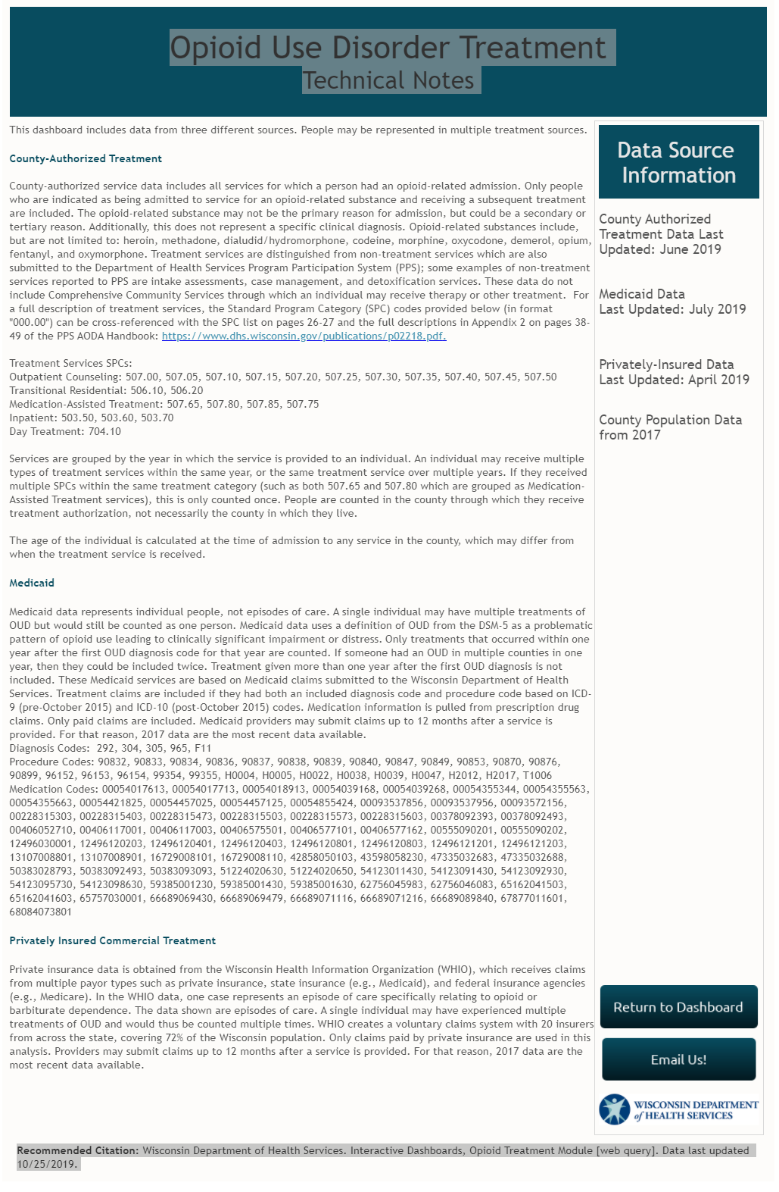
Madison East Comprehensive Treatment Center | Owner: Acadia Healthcare Website: http://www.madisonctc.com/location/madison-east/
Madison West Comprehensive Treatment Center | Owner: Acadia Healthcare Website: http://www.madisonctc.com/location/madison-west
Psychological Addiction Services (Madison) | Owner: Psychological Addiction Services Website: http://pasrecovery.com
Addiction Services and Pharmacotherapy (Madison) | Owner: Addiction Services and Pharmacotherapy Website: https://www.clinicofhope.com/ | *This center opened in July 2018.

Used for OpioidSummary
https://www.dhs.wisconsin.gov/opioids/treatment-data-county.htm
Medicaid Services through BadgerCare Plus
Citation | Wisconsin Department of Heath Services. Interactive Dashboards, Opioid Treatment Module [web query]. Data last updated 10/25/2019

